LED SPEC
Brightness Specifications (On-Axis)
Color Scenes Desired | min (nit) | avg (nit) | max (nit) | Note
Target Brightness* (cd/m^2) at max calibrated current, Green, viewed at 0 degree angle | 595 | 700 | 805 | 1. The brightness spec maybe adjust from google based on the real demo of proto build device. 2. The thermal design should have the ability to support the max brightness which not only can meet the component operating temp requirment but also the lifetime requirement.
Target Brightness* (cd/m^2) at max calibrated current, Blue, viewed at 0 degree angle | 298 | 350 | 403
Target Brightness* (cd/m^2) at max calibrated current, Yellow, viewed at 0 degree angle | 510 | 600 | 690
Target Brightness* (cd/m^2) at max calibrated current, White, viewed at 0 degree angle | 935 | 1,100 | 1,265
Target Brightness* (cd/m^2) at max calibrated current, Orange, viewed at 0 degree angle | 425 | 500 | 575
Target Brightness* (cd/m^2) at max calibrated current, Purple, viewed at 0 degree angle | 425 | 500 | 575
Brightness Uniformity = Min{Brightness} / Max{Brightness} The annulus is evenly divided into 72 sections, and the brightness of each section is calculated individually. | 60% |  | 100%
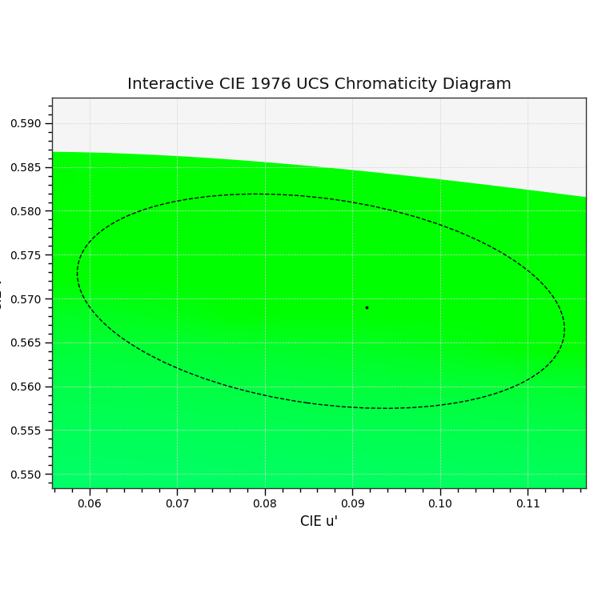
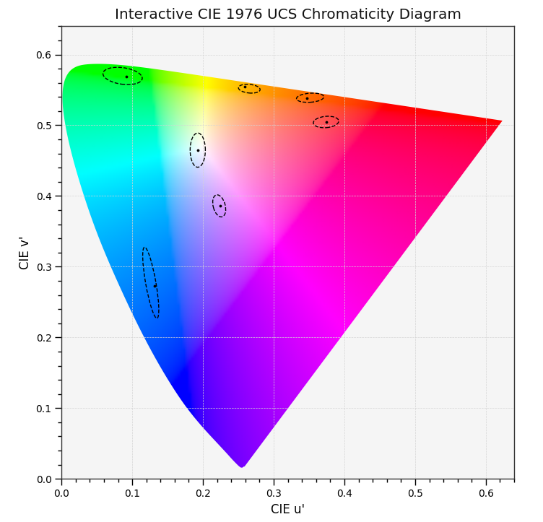
Calibration Color Spec.
Nest Color
Green Target Coordinates (u', v')
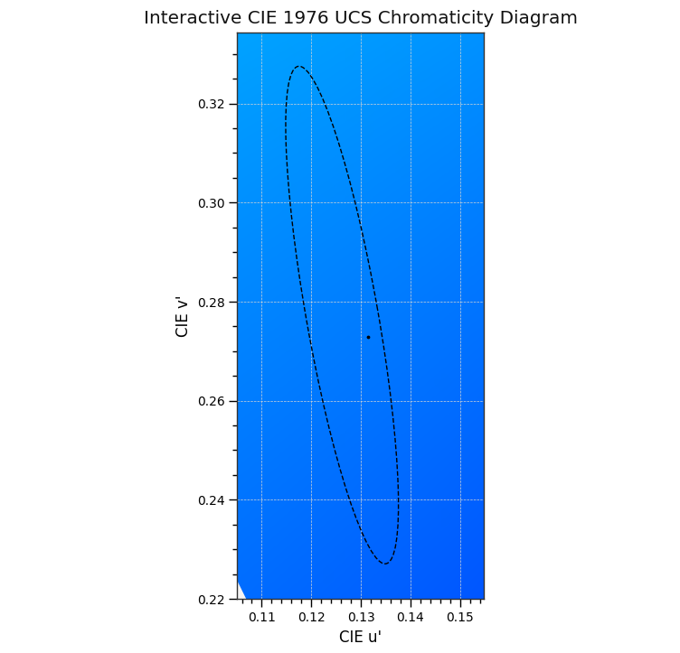
Center Coordinates (u', v') of the Limit of Green | 0.0569,0.5745
Semi-major Axis of the Green Boundary | 0.028
Semi-minor Axis of the Green Boundary | 0.0117
Rotation Angle of the Green Boundary (deg) | -8
Calibrated Color Shift | 1
Blue Target Coordinates (u', v')
Center Coordinates (u', v') of the Limit of Blue | 0.1562, 0.2157
Semi-major Axis of the Blue Boundary | 0.050994
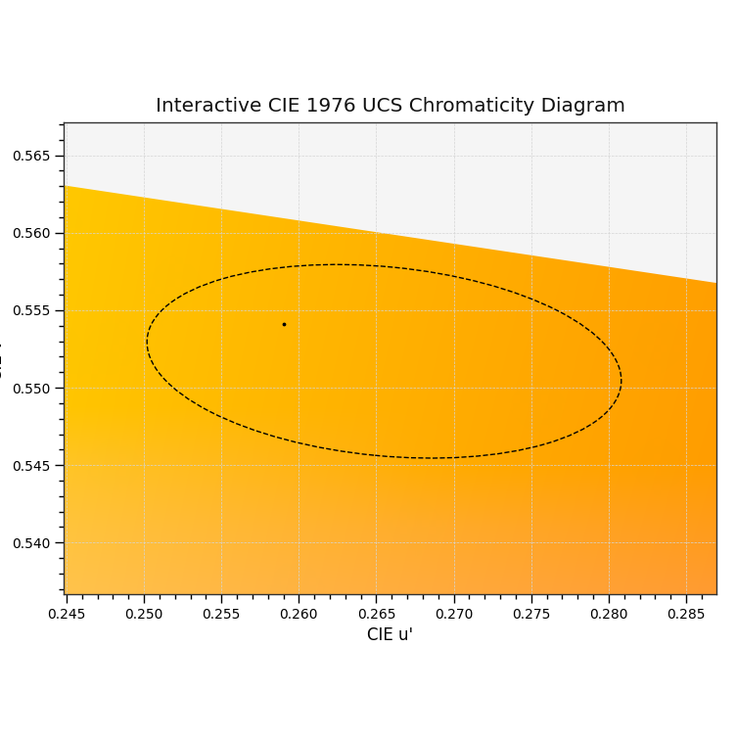
Semi-minor Axis of the Blue Boundary | 0.007245
Rotation Angle of the Blue Boundary (deg) | 100
Calibrated Color Shift | 1
Yellow Target Coordinates (u', v')
Center Coordinates (u', v') of the Limit of Yellow | 0.265505, 0.5517
Semi-major Axis of the Yellow Boundary | 0.01537
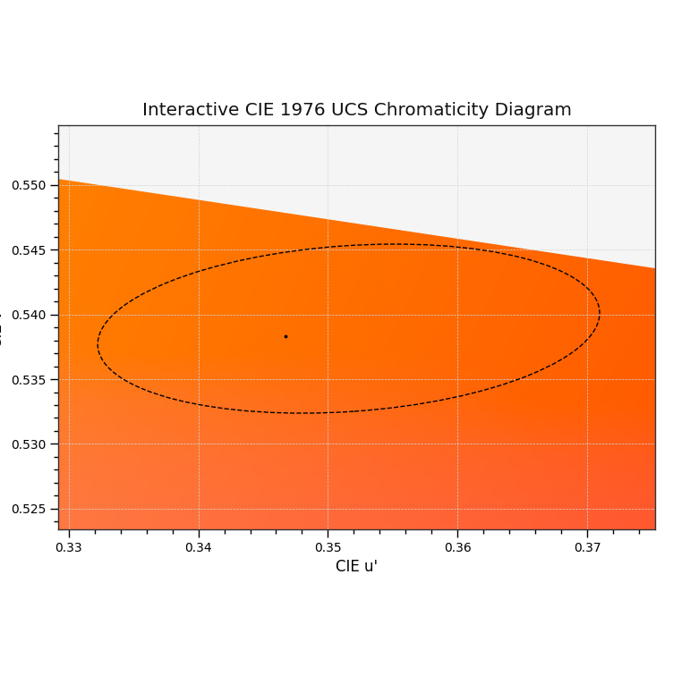
Semi-minor Axis of the Yellow Boundary | 0.0061
Rotation Angle of the Yellow Boundary (deg) | -5.5
Calibrated Color Shift | 1
Orange Target Coordinates (u', v')
Center Coordinates (u', v') of the Limit of Yellow | 0.3516, 0.5389
Semi-major Axis of the Yellow Boundary | 0.0194
Semi-minor Axis of the Yellow Boundary | 0.0064
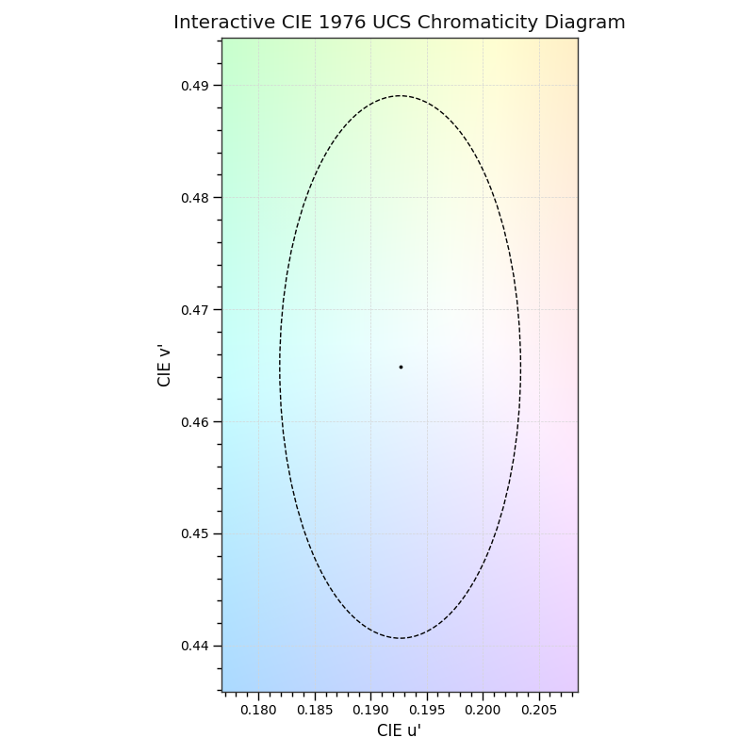
Rotation Angle of the Orange Boundary (deg) | 4
Calibrated Color Shift | 1
White Target Coordinates (u', v')
Center Coordinates (u', v') of the Limit of White | 0.192645, 0.46485
Semi-major Axis of the White Boundary | 0.02655
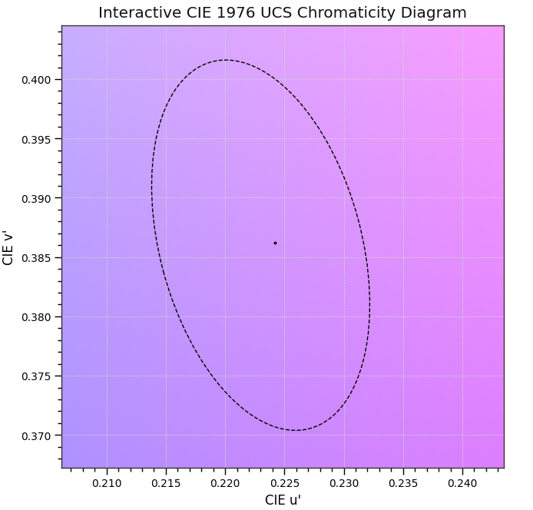
Semi-minor Axis of the White Boundary | 0.01075
Rotation Angle of the White Boundary (deg) | 90
Calibrated Color Shift | 1.05
Purple Target Coordinates (u', v')
Center Coordinates (u', v') of the Limit of White | 0.2425,0.3259
Semi-major Axis of the White Boundary | 0.016
Semi-minor Axis of the White Boundary | 0.0085
Rotation Angle of the White Boundary (deg) | -75
Calibrated Color Shift | 1

